Linear Thermal table
SENSOR DESCRIPTION
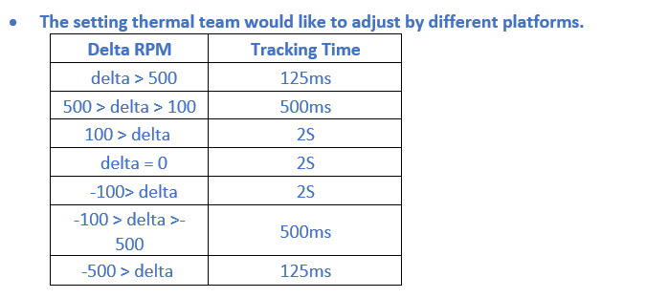

 | Sensor Description &Type | Address (EC) | Pollling Rate | MaxErrors count | Average | Critial Temerature (Shutdown) | Common Throttle Temerature | Name on PCBA

 | CPU | PECI | 1 SEC | 10 | Yes (*1) | 105 | 50
 | SKIN(QE6) |  | 1 SEC | 10 | No | 98 | 60 | QE6
 | MEM(QE7) |  | 1 SEC | 10 | No | 115 | 43 | QE7
 | NGFF(QE5) |  | 1 SEC | 10 | No | 98 | 44 | QE5

 | Common Throttle Defult table | Montreux13_180AL

Note 1: EC default average time is 15 sec
Note 2: Battery throttle is following BMU specification

FAN DESCRIPTON

 |  |  |  |  |  |  |  | 125ms |  | 250ms |  | 500ms |  | 1S
 | Fan Description | Address | KSStart | KSWait | KSPass | KSFail | KSBump | Esec Up | Esec Down | Qsec Up | Qsec Down | Hsec Up | Hsec Down | Sec Up | Sec Down

 | FAN1 | MecGuardian | 30 | 3 | 1000 | 200 | 5 | 200 | 400 | 150 | 300 | 100 | 200 | 50 | 100

SENSOR NODES ( Fan table )

 | SL1 |  | SL2 |  | SL3
37 | 0 | 40 | 0 | 37 | 0
40 | 2900 | 41 | 3800 | 42 | 3500
Table ID | "Balance" MODE [Defalut Mode] |  | Common Table ID | FAN1

1 | 13" 180 Al | Sensor | No | Low Temp | Low Rpm | High Temp | High Rpm
 |  | CPU | Slop1 | 90 | 0 | 95 | 3800 |  | 760
 |  | SKIN(QE6) | Slop1 | 40 | 0 | 44 | 2900 |  | 725
 |  | MEM(QE7) | Slop1 | 37 | 0 | 40 | 2900 |  | 966.66666667
 |  |  | Slop2 | 40 | 0 | 41 | 3800 |  | 3800
 |  | NGFF(QE5) | Slop1 | 55 | 0 | 88 | 3800 |  | 115.15151515
 | SL1
35 | 0
37 | 4300
Table ID | "Cool" MODE |  | Common Table ID | FAN1

2 | 13" 180 Al | Sensor | No | Low Temp | Low Rpm | High Temp | High Rpm
 |  | CPU | Slop1 | 90 | 0 | 95 | 4300 |  | 860
 |  | SKIN(QE6) | Slop1 | 60 | 0 | 87 | 4300 |  | 159.25925926
 |  | MEM(QE7) | Slop1 | 35 | 0 | 37 | 4300 |  | 2150
 |  | NGFF(QE5) | Slop1 | 55 | 0 | 88 | 4300 |  | 130.3030303

 | SL1
37 | 0
42 | 3500
Table ID | "Quiet" MODE |  | Common Table ID | FAN1

3 | 13" 180 Al | Sensor | No | Low Temp | Low Rpm | High Temp | High Rpm
 |  | CPU | Slop1 | 90 | 0 | 95 | 3500 |  | 700
 |  | SKIN(QE6) | Slop1 | 60 | 0 | 87 | 3500 |  | 129.62962963
 |  | MEM(QE7) | Slop1 | 37 | 0 | 42 | 3500 |  | 700
 |  | NGFF(QE5) | Slop1 | 55 | 0 | 88 | 3500 |  | 106.06060606

Table ID | "Performance" MODE |  | Common Table ID | FAN1

4 | 13" 180 Al | Sensor | No | Low Temp | Low Rpm | High Temp | High Rpm
 |  | CPU | Slop1 | 90 | 0 | 95 | 4800 |  | 960
 |  | SKIN(QE6) | Slop1 | 60 | 0 | 87 | 4800 |  | 177.77777778
 |  | MEM(QE7) | Slop1 | 37 | 0 | 40 | 4300 |  | 1433.3333333
 |  |  | Slop2 | 40 | 0 | 41 | 4800 |  | 4800
 |  | NGFF(QE5) | Slop1 | 55 | 0 | 88 | 4800 |  | 145.45454545

Sensor Loaction
